Next Step
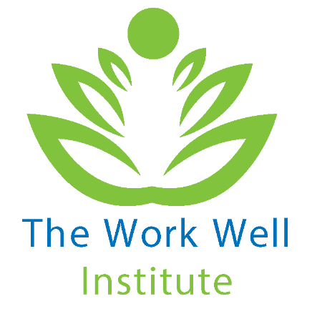

Fancy learning more about workplace wellbeing?
Want to build on this step challenge with a sustainable wellbeing programme at your workplace?

Sign up to the Developing a Workplace Wellbeing Programme That Lasts online course

